Sheet1
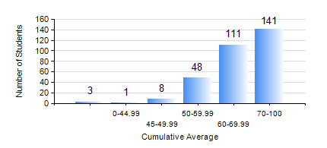
 |  |  | KWAME NKRUMAH UNIVERSITY OF SCIENCE AND TECHNOLOGY, KUMASI Department of Electrical/Electronic Engineering

 |  |  | BSC. ELECTRICAL/ELECTRONIC ENG.

 |  |  | COMPREHENSIVE RECORD OF EXAMINATION RESULTS

 |  |  | RESULTS OF YEAR 1 SECOND SEMESTER, 2020/2021 ACADEMIC YEAR

 | Sn | Course Code |  | Course Name | Credit Hours | Min. Mark | Max. Mark | Avg. Mark | Std. Dev. | No. Passed | No. Trailed | No. (Df) | No. (I) | No. (I*) | No. Tagged(I,I*,Df) | Total
 | 0. |  |  |  |  |  |  | 0 | 0 | 0 | 0 | 0 | 0 | 0 | 0 | 8
 | 1. | COE 158 |  | INTRODUCTION TO INFORMATION TECHNOLOGY | 2 | 40 | 95 | 63 | 12 | 304 | 0 | 0 | 0 | 0 | 0 | 304
 | 2. | EE 152 |  | BASIC ELECTRONICS | 3 | 38 | 89 | 66 | 10.87 | 301 | 3 | 0 | 0 | 0 | 0 | 304
 | 3. | EE 156 |  | ELECTRICAL ENG. DRAWING | 2 | 44 | 95 | 76 | 8.44 | 304 | 0 | 0 | 0 | 0 | 0 | 304
 | 4. | EE 162 |  | ELECTROMECHANICAL ENERGY CONVERSION AND TRANSFORMERS | 3 | 11 | 83 | 50 | 14.47 | 254 | 50 | 0 | 0 | 0 | 0 | 304
 | 5. | ENGL 158 |  | COMMUNICATION SKILLS II | 2 | 34 | 88 | 70 | 8.19 | 303 | 1 | 0 | 0 | 0 | 0 | 304
 | 6. | MATH 152 |  | CALCULUS WITH ANALYSIS | 4 | 24 | 92 | 77 | 10.4 | 303 | 1 | 0 | 0 | 0 | 0 | 304
 | 7. | ME 166 |  | APPLIED THERMODYNAMICS I | 2 | 27 | 97 | 71 | 16.11 | 299 | 5 | 0 | 0 | 0 | 0 | 304

